Sheet1
 | Project Name | WriteWave
 | Test Designed By | Vikash Kumar Bharti
 | Test Designed Date | 13/03/2025 |  | Bug Report
 | Test Executed By | Vikash Kumar Bharti
 | Test Executed Date | 13/03/2025
 | Device Name | Window11

Bug ID | Description | Steps to Reproduce | Expected Result | Actual Result | Severity | Priority | Screenshot | Suggestion
BUG-001 | Missing eye icon for password visibility toggle | 1. Open the login page 2. Locate the password input field | Password field should have an eye icon to toggle visibility | No eye icon is present, so users cannot view their entered password | Medium | High | 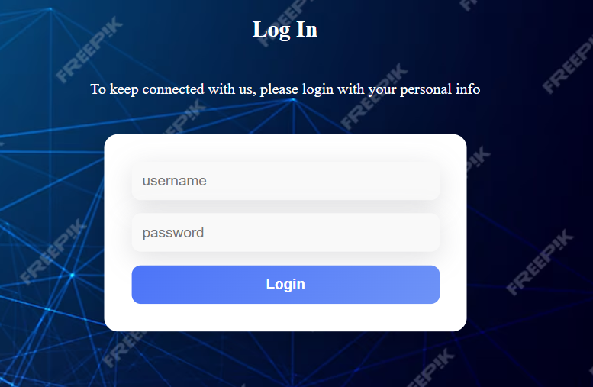 | Add an eye icon next to the password field to allow users to toggle password visibility
BUG-002 | "Create Post" button does not respond | 1. Open the post creation page 2. Fill in the title, summary, and upload an image (optional) 3. Click on the "Create Post" button | The post should be created or a validation error should be displayed | Clicking the "Create Post" button does nothing, no response or feedback is given | High | High |  | Check if the button has an onclick event handler and ensure the form submission logic is implemented correctly
BUG-003 | Dark mode toggle button is not applying dark mode across the UI | 1. Open the application 2. Click on the dark mode toggle button (moon icon) 3. Observe the UI changes | The entire UI should switch to dark mode | Clicking the dark mode toggle button does not apply dark mode across the UI | Major | High |  | Ensure the click event is properly handled and the dark-mode CSS is applied to all elements. Also, store the theme state in localStorage to maintain persistence.
BUG-004 | Hover effect on "Create Post" button is expanding abnormally | 1. Open the post creation page 2. Hover over the "Create Post" button | The button should slightly change color or show a minor animation | The button expands abnormally beyond its normal boundary when hovered | Minor | Medium |  | Adjust the CSS properties related to hover, such as padding, margin, and transform. Ensure that the button’s dimensions remain consistent during hover.
BUG-005 | Home link is not working | 1. Open the website 2. Click on the "Home" link under "Quick Links" | The page should navigate to the home page | Clicking the link does nothing | Major | High |  | Ensure the anchor tag has the correct href value pointing to the home page.
BUG-006 | About link is not working | 1. Open the website 2. Click on the "About" link under "Quick Links" | The page should navigate to the About page | Clicking the link does nothing | Major | High |  | Verify if the href attribute is correctly set for the About link.
BUG-007 | Contact link is not working | 1. Open the website 2. Click on the "Contact" link under "Quick Links" | The page should navigate to the Contact page | Clicking the link does nothing | Major | High |  | Ensure the href attribute for the Contact link points to the correct page.
BUG-008 | Privacy Policy link is not working | 1. Open the website 2. Click on the "Privacy Policy" link under "Quick Links" | The page should navigate to the Privacy Policy page | Clicking the link does nothing | Major | High |  | Check if the Privacy Policy link has the correct href value.
BUG-009 | Your Account link is not working | 1. Open the website 2. Click on the "Your Account" link under "Let Us Help You" | The page should navigate to the account management page | Clicking the link does nothing | Major | High |  | Verify if the href attribute is correctly set for the Your Account link.
BUG-010 | Returns Centre link is not working | 1. Open the website 2. Click on the "Returns Centre" link under "Let Us Help You" | The page should navigate to the Returns Centre page | Clicking the link does nothing | Major | High |  | Ensure the Returns Centre link has the correct href value.
BUG-011 | Recalls and Product Safety Alerts link is not working | 1. Open the website 2. Click on the "Recalls and Product Safety Alerts" link under "Let Us Help You" | The page should navigate to the Recalls and Product Safety Alerts page | Clicking the link does nothing | Major | High |  | Check if the link is correctly pointing to the Recalls and Product Safety Alerts page.
BUG-012 | Help link is not working | 1. Open the website 2. Click on the "Help" link under "Let Us Help You" | The page should navigate to the Help page | Clicking the link does nothing | Major | High |  | Ensure the Help link has the correct href value.
BUG-013 | "Get Started" button does not perform any action when clicked | 1. Open the website 2. Locate the "Get Started" button in the banner section 3. Click the button | The button should navigate the user to a new page or trigger an action | No action is triggered upon clicking | Major | High |  | Check if the button has a valid onClick event handler or href attribute. Inspect the console for JavaScript errors.
BUG-014 | Search bar displays only the default result and does not update based on the input query | 1. Open the website 2. Locate the search input field 3. Enter a keyword different from the default display result 4. Press Enter or wait for results to update | The search should filter and display relevant results based on the input query | The search result remains the same, and different queries do not update the displayed results | Critical | High |  | Verify if the search function is correctly fetching and filtering data. Check API response, event listener, and query handling.
BUG-015 | User is unable to post a comment after entering text and clicking the "Post" button | 1. Open the article page 2. Enter a comment in the input field under "Comments" 3. Click the "Post" button | The comment should be saved and displayed below the comment section | The comment does not get posted, and no confirmation message appears | Critical | High |  | Check if the comment submission request is properly sent to the backend. Verify API response, database connection, and event listener on the "Post" button. Also, inspect console errors for potential issues.
BUG-016 | The Share button does not perform any action when clicked | 1. Open the article page 2. Locate the Share button next to the post 3. Click on the Share button | A sharing modal or link options should appear | No response from the Share button, and no console error message is displayed | Major | High |  | Check if the Share button is properly linked to an event listener. Verify if there is a missing API call or JavaScript function preventing the sharing functionality from executing. Also, inspect the browser console for potential errors.
BUG-017 | The Reply button does not function when clicked | 1. Open the comment section of a post 2. Click on the Reply button under a comment 3. Enter a reply message 4. Click on the Reply button to submit | The reply should be posted under the respective comment | No action occurs upon clicking the Reply button | Major | High |  | Check if the Reply button is correctly linked to a function that handles replies. Debug event listeners, API requests, and error logs in the console.
BUG-018 | Footer appears before blog content when clicking on a blog post | 1. Open the blog page 2. Click on any blog post 3. Observe the loading order | The blog content should load first, followed by the footer at the bottom | The footer appears before the blog content, causing a poor user experience | Medium | High |  | Check if the blog content is being loaded dynamically after the page structure is rendered. Adjust CSS or JavaScript to ensure blog content loads first. Debug layout rendering issues.

